Sheet1
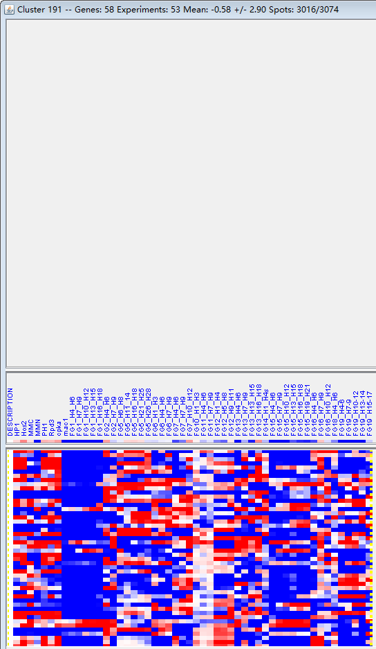
k | Filter | FUNCTIONAL CATEGORY | abs SET | rel SET | genes SET | abs GENOME | rel GENOME | rel SET/rel GENOME | P-VALUE | Bonferroni_corr | FDR
34.01.01.01 homeostasis of metal ions (Na, K, Ca etc.) | 6 | 10.5 | FGSG_00773 FGSG_02589 FGSG_04512 FGSG_03882 FGSG_06060 FGSG_12970 | 208 | 1.5 | 7 | 0.000206581
01.25.03 extracellular protein degradation | 2 | 3.5 | FGSG_03432 FGSG_11249 | 8 | 0.05 | 70 | 0.000460197
16.17.09 heavy metal binding (Cu, Fe, Zn) | 8 | 14 | FGSG_02051 FGSG_03881 FGSG_12970 FGSG_07067 FGSG_09040 FGSG_09820 FGSG_11025 FGSG_11249 | 499 | 3.6 | 3.888888889 | 0.000948602
34.01.01 homeostasis of cations | 6 | 10.5 | FGSG_00773 FGSG_02589 FGSG_04512 FGSG_03882 FGSG_06060 FGSG_12970 | 290 | 2.09 | 5.023923445 | 0.00119546
01.01.09.04.02 degradation of phenylalanine | 3 | 5.26 | FGSG_03264 FGSG_02852 FGSG_06068 | 64 | 0.46 | 11.43478261 | 0.002316269
02.16.03 lactate fermentation | 2 | 3.5 | FGSG_03984 FGSG_10444 | 18 | 0.13 | 26.92307692 | 0.002448929
34.01 homeostasis | 6 | 10.5 | FGSG_00773 FGSG_02589 FGSG_04512 FGSG_03882 FGSG_06060 FGSG_12970 | 336 | 2.43 | 4.320987654 | 0.002519024
16.17 metal binding | 9 | 15.7 | FGSG_02051 FGSG_04512 FGSG_03881 FGSG_12970 FGSG_07067 FGSG_09040 FGSG_09820 FGSG_11025 FGSG_11249 | 758 | 5.48 | 2.864963504 | 0.003594893
01.01.09 metabolism of the cysteine - aromatic group | 5 | 8.77 | FGSG_03264 FGSG_02852 FGSG_06068 FGSG_09040 FGSG_09820 | 266 | 1.92 | 4.567708333 | 0.004703337
20.01.01.01 cation transport (H+, Na+, K+, Ca2+ , NH4+, etc.) | 5 | 8.77 | FGSG_00773 FGSG_02589 FGSG_04512 FGSG_03882 FGSG_06060 | 269 | 1.94 | 4.520618557 | 0.004930533
01.01.09.04 metabolism of phenylalanine | 3 | 5.26 | FGSG_03264 FGSG_02852 FGSG_06068 | 94 | 0.67 | 7.850746269 | 0.006830696
42.29 bud / growth tip | 2 | 3.5 | FGSG_03881 FGSG_11025 | 31 | 0.22 | 15.90909091 | 0.007191768
20.01.01.01.01 heavy metal ion transport (Cu+, Fe3+, etc.) | 3 | 5.26 | FGSG_00773 FGSG_02589 FGSG_06060 | 99 | 0.71 | 7.408450704 | 0.007877976
01.05.11.07.01.03 meta-cleavage | 1 | 1.75 | FGSG_09061 | 2 | 0.01 | 175 | 0.008228635
20.01.01 ion transport | 5 | 8.77 | FGSG_00773 FGSG_02589 FGSG_04512 FGSG_03882 FGSG_06060 | 321 | 2.32 | 3.780172414 | 0.010214299
32.01.01 oxidative stress response | 3 | 5.26 | FGSG_02051 FGSG_03882 FGSG_02852 | 122 | 0.88 | 5.977272727 | 0.013875953
20.01.15 electron transport | 5 | 8.77 | FGSG_04512 FGSG_03984 FGSG_06068 FGSG_09040 FGSG_09820 | 398 | 2.87 | 3.055749129 | 0.023732041
16.17.03 potassium binding | 1 | 1.75 | FGSG_04512 | 6 | 0.04 | 43.75 | 0.024486838
01.01.09.04.01 biosynthesis of phenylalanine | 2 | 3.5 | FGSG_03264 FGSG_06068 | 61 | 0.44 | 7.954545455 | 0.026161232
32.07.07 oxygen and radical detoxification | 2 | 3.5 | FGSG_02051 FGSG_02852 | 68 | 0.49 | 7.142857143 | 0.031976434
01.20.21 metabolism of sulfuric acid and L-cysteine derivatives | 1 | 1.75 | FGSG_09820 | 8 | 0.05 | 35 | 0.032517458
14.13 protein/peptide degradation | 5 | 8.77 | FGSG_04527 FGSG_03881 FGSG_03432 FGSG_11025 FGSG_11249 | 443 | 3.2 | 2.740625 | 0.035388326
01.25 extracellular metabolism | 2 | 3.5 | FGSG_03432 FGSG_11249 | 74 | 0.53 | 6.603773585 | 0.037326421
32.01.04 pH stress response | 1 | 1.75 | FGSG_12970 | 10 | 0.07 | 25 | 0.040483119
16.17.05 sodium binding | 1 | 1.75 | FGSG_04512 | 11 | 0.07 | 25 | 0.044441752
16.03 nucleic acid binding | 7 | 12.2 | FGSG_03881 FGSG_12376 FGSG_06356 FGSG_12970 FGSG_07067 FGSG_07116 FGSG_11025 | 811 | 5.86 | 2.081911263 | 0.048069345
01.01.09.03.02 degradation of cysteine | 1 | 1.75 | FGSG_09820 | 12 | 0.08 | 21.875 | 0.048384337
34.11.13.07 circulation (e.g. blood pressure) | 1 | 1.75 | FGSG_04512 | 12 | 0.08 | 21.875 | 0.048384337

34.01.01.01金属离子（钠、钾、钙等）的稳态
01.25.03胞外蛋白降解

